Sheet1
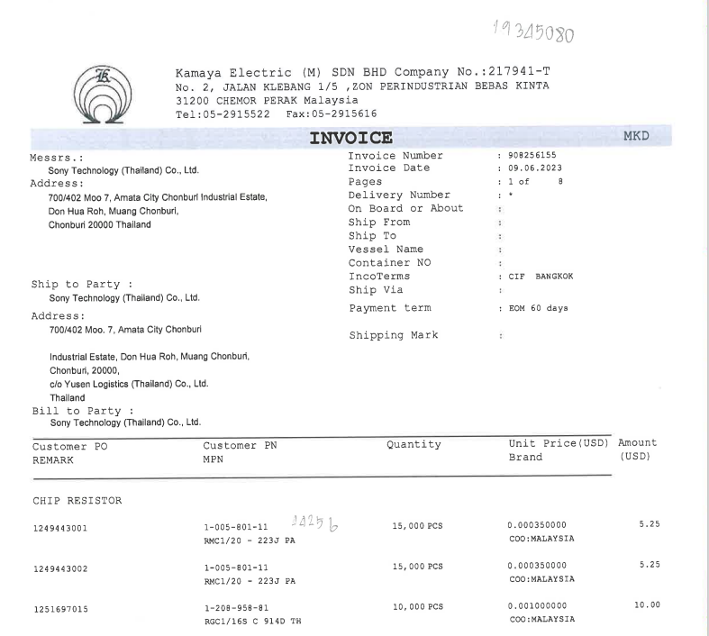

INVOICE _NO

ITEM_NO
QTY
PO_NO
UNIT_PRICE
AMOUNT

